Sheet1
E2E TESTING
Page: Student Registration Form
Author
Page Link: https://demoqa.com/automation-practice-form

TC ID | Test Scenario | Test Description | Test Type | Pre-condition | Step | Test Data | Expected Result | Actual Result | Status | Note
TC-SIGNUP-1 | The UI is like the design | Verify that elements are displayed exactly as designed | UI | The UI/UX design | 1. Open browser and visit the website. |  | Elements are displayed exactly as designed | 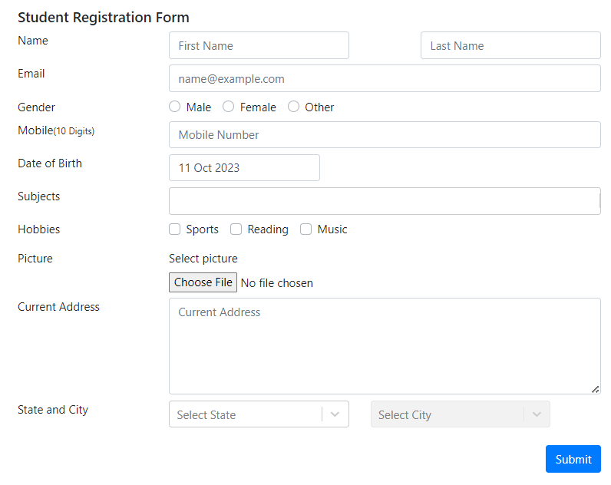 | Pass
TC-SIGNUP-2 |  | Verify that elements work exactly as designed |  |  | 1. Open browser and visit the website 2. Type on each input area. 3. Delete everything in each input area using Backspace. 4. Click on Choose picture button and choose picture from computer. |  | - The user can type and delete in the input fields - The user can choose picture file from computer |  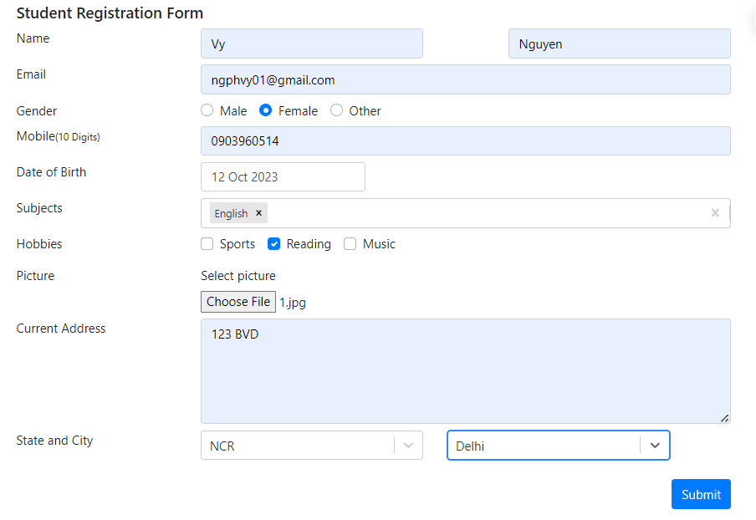 - Continuously deleting by Backspace in Subjects area making webpage reload - The other areas work perfectly | Fail
TC-SIGNUP-3 | The user sign up successfully | Verify that the user can: - Change uploaded picture - Sign up successfully by filling all areas with valid information | Functionality | The mobile number does not exist in the system | 1. Open browser and visit the website 2. Input FirstName 3. Input LastName 4. Input Email 5. Choose Gender 6. Input Mobile Number 7. Input Date of Birth 8. Input Subjects 9. Input Hobbies 10. Choose Picture 11. Input Current address 12. Choose State and City 13. Choose another picture 14. Click on Submit button | FirstName = "Vy" LastName = "Nguyen" Email = "ngphvy01@gmail.com" Gender = "Female" Mobile = "0903960514" Date of Birth = "11 Oct 2023" Subjects = "English", "Chemistry" Hobbies = "Reading", "Sports" Picture = "2.jpg" Current address = "123 BVD" State = "NCR" City = "Delhi" Picture = "1.jpg" | 1. The user can change picture successfully 2. The confirmation form is displayed with filled information | 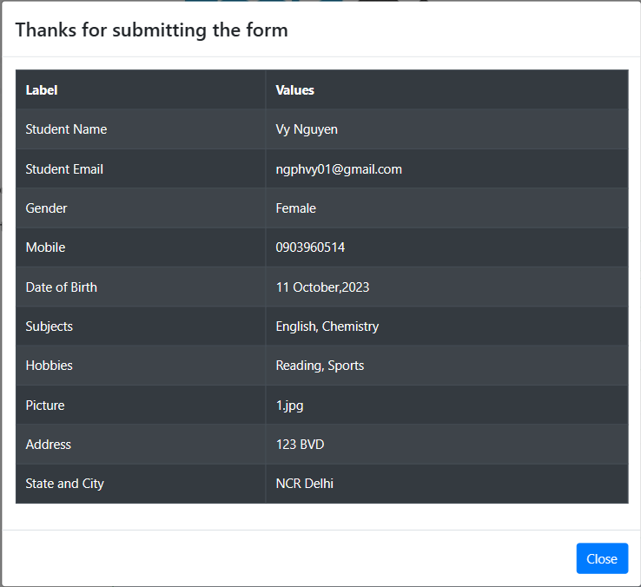 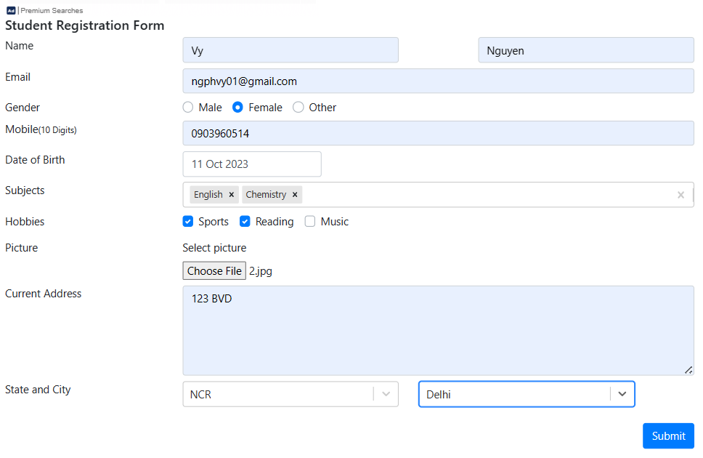 | Pass
TC-SIGNUP-4 |  | Verify that the user sign up successfully by filling only required areas with valid information |  | The mobile number does not exist in the system | 1. Open browser and visit the website 2. Input FirstName 3. Input LastName 4. Choose Gender 5. Input Mobile Number 6. Input Date of Birth 7. Click on Submit button | FirstName = "Vy" LastName = "Nguyen" Gender = "Female" Mobile = "0903960514" Date of Birth = "11 Oct 2023" | The confirmation form is displayed with filled information. | 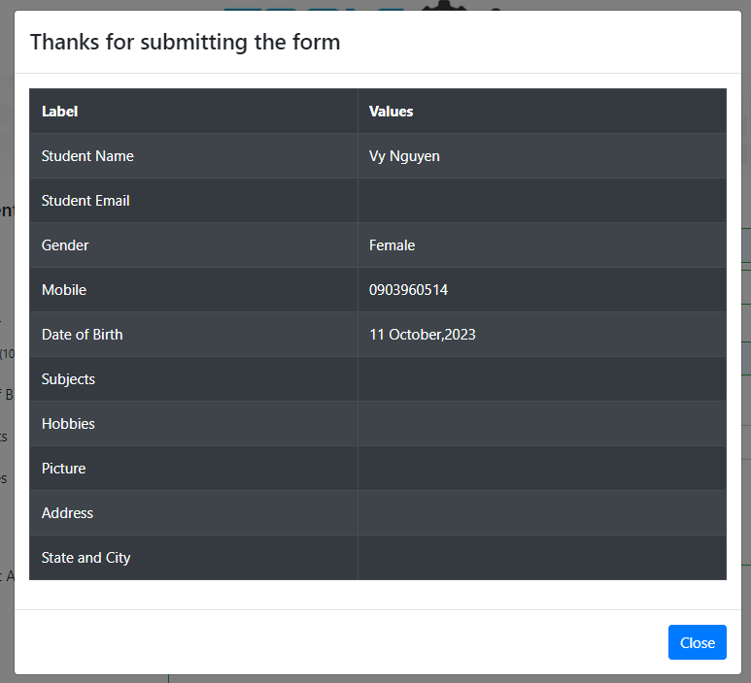 | Pass
TC-SIGNUP-5 | The user can not sign up | Verify that the user can not sign up with all empty information | Functionality |  | 1. Open browser and visit the website 2. Click on Submit button |  | Every required area has red border | 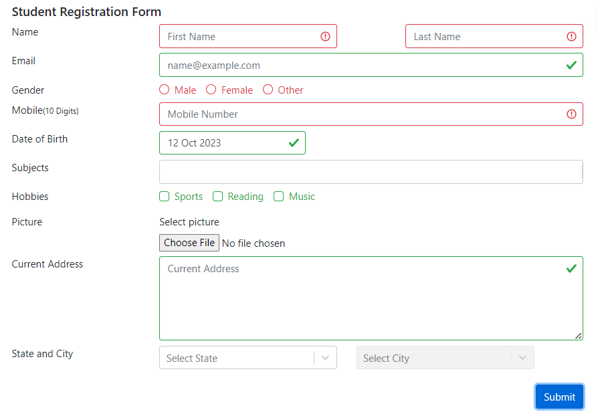 | Pass | Some empty areas have been checked without any information
TC-SIGNUP-6 |  | Verify that the user can not sign up with an availble mobile number |  | The mobile number is available in the system | 1. Open browser and visit the website 2. Input FirstName 3. Input LastName 4. Input Email 5. Choose Gender 6. Input Mobile Number 7. Input Date of Birth 8. Input Subjects 9. Input Hobbies 10. Choose Picture 11. Input Current address 12. Choose State and City 13. Click on Submit button | FirstName = "Vy" LastName = "Nguyen" Email = "ngphvy01@gmail.com" Gender = "Female" Mobile = "0909320976" Date of Birth = "11 Oct 2023" Subjects = "English" Hobbies = "Reading" Picture = "1.jpg" Current address = "123 BVD" State = "NCR" City = "Delhi" | 1. Mobile text box has a red border 2. Show notification about existing mobile number | 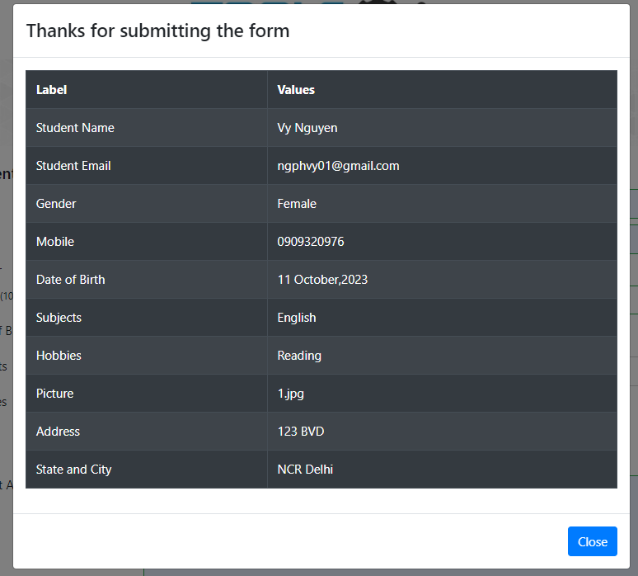 | Fail
TC-SIGNUP-7 |  | Verify that the registration page does not accept leading or trailing spaces in FirstName and LastName |  |  | 1. Open browser and visit the website 2. Input FirstName 3. Input LastName 4. Input Email 5. Choose Gender 6. Input Mobile Number 7. Input Date of Birth 8. Input Subjects 9. Input Hobbies 10. Choose Picture 11. Input Current address 12. Choose State and City 13. Click on Submit button | FirstName = "Vy " LastName = " Nguyen " Email = "ngphvy01@gmail.com" Gender = "Female" Mobile = "0903960514" Date of Birth = "11 Oct 2023" Subjects = "English" Hobbies = "Reading" Picture = "1.jpg" Current address = "123 BVD " State = "NCR" City = "Delhi" | 1. The confirmation form automatically deletes spaces in FirstName and LastName | 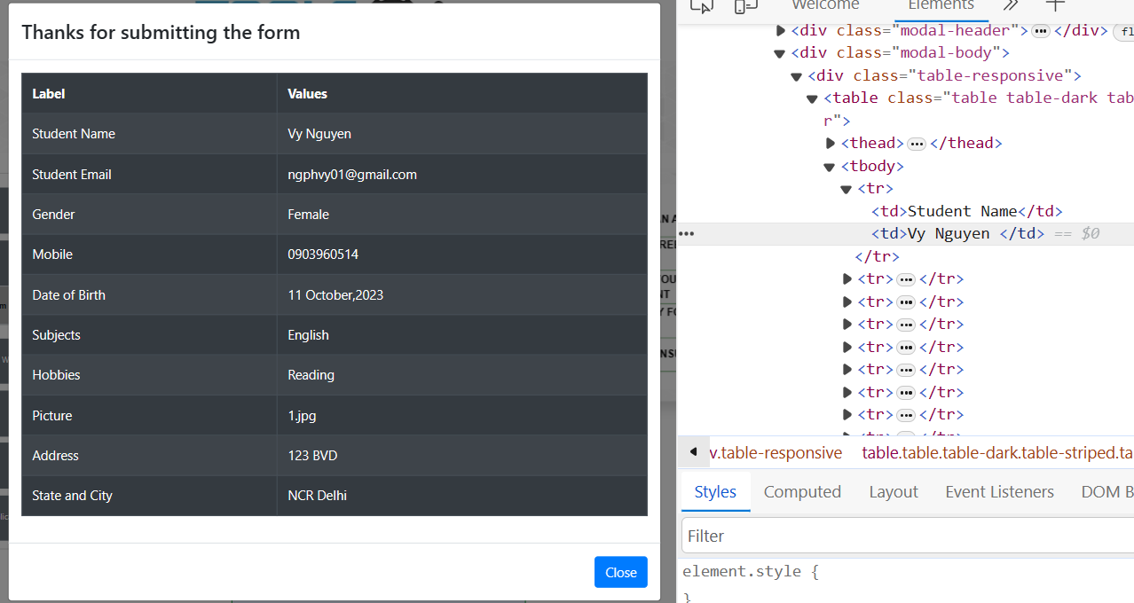 - Name area should display 'Vy Nguyen', not 'Vy Nguyen ' | Fail
TC-SIGNUP-8 |  | Verify that the user can not sign up with: - Email includes multiple '@' - Mobile number has alphabet characters - Picture has invalid file format |  |  | 1. Open browser and visit the website 2. Input FirstName 3. Input LastName 4. Input Email 5. Choose Gender 6. Input Mobile Number 7. Input Date of Birth 8. Choose Picture 9. Click on Submit button | FirstName = "Vy" LastName = "Nguyen" Email = "ngphvy01@gmail@gmail.com" Gender = "Female" Mobile = "090abcdefg" Date of Birth = "11 Oct 2023" Picture = "I.pdf" | 1. Email text box has red border 2. Mobile text box has red border 3. Picture area does not allow choosing wrong format picture file | 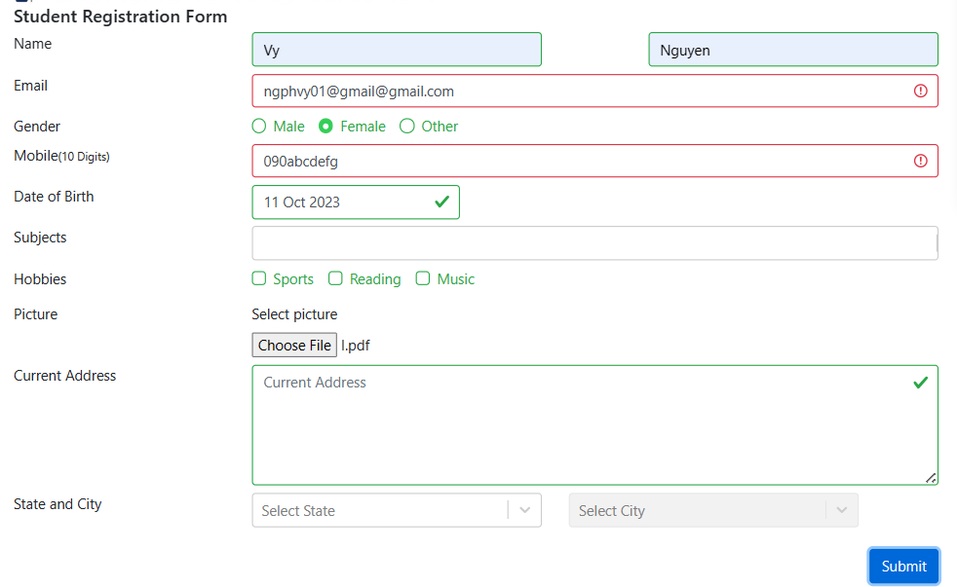 - Picture area still allow choosing pdf format | Fail
TC-SIGNUP-9 |  | Verify that the user can not sign up with invalid information: - FirstName has only space characters - Email does not include ".com" - Mobile has spaces, special character and non-number character: '1=1' |  |  | 1. Open browser and visit the website 2. Input FirstName 3. Input LastName 4. Input Email 5. Choose Gender 6. Input Mobile Number 7. Input Date of Birth 8. Click on Submit button | FirstName = " " LastName = "Nguyen" Email = "ngphvy01@gmail" Gender = "Female" Mobile = "09039 1=1" Date of Birth = "11 Oct 2023" | 1. FirstName text box has a red border 2. Email text box has red border 3. Mobile text box has red border | 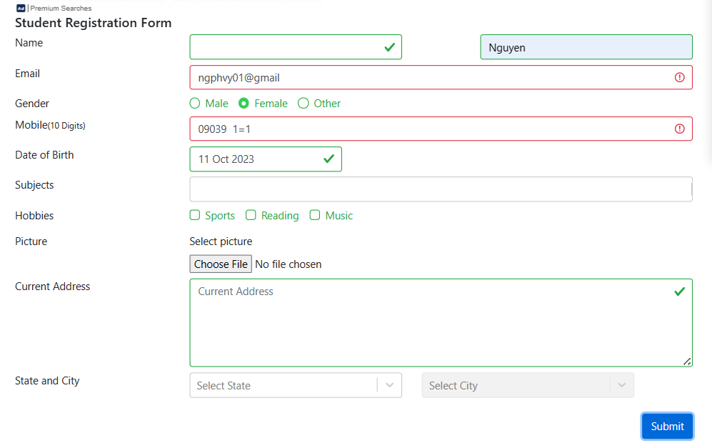 - FirstName still accept invalid case | Fail
TC-SIGNUP-10 |  | Verify that the user can not sign up with invalid information: - Email includes more than 1 "." - Mobile number has spaces |  |  | 1. Open browser and visit the website 2. Input FirstName 3. Input LastName 4. Input Email 5. Choose Gender 6. Input Mobile Number 7. Input Date of Birth 8. Click on Submit button | FirstName = "Vy" LastName = "Nguyen" Email = "ngphvy01@gmail….com" Gender = "Female" Mobile = "09039 514" Date of Birth = "11 Oct 2023" | 1. Email text box has red border 2. Mobile text box has red border |  - Email still accept invalid case | Fail
TC-SIGNUP-11 |  | Verify that the user can not sign up with: - Empty FirstName - LastName with non-alphabet character: "@" and number - Empty Gender - Email has spaces - Mobile has prefix character: "+" |  |  | 1. Open browser and visit the website 2. Input LastName 3. Input Email 4. Input Mobile Number 5. Input Date of Birth 6. Click on Submit button | Last Name = "Nguyen@8" Email = "ngphvy 01@gmail.com" Mobile = "+090396051" Date of Birth = "11 Oct 2023" | 1. FirstName text box has a red border 2. LastName text box has a red border 3. Gender has red border 4. Email text box has red border 5. Mobile text box has red border | 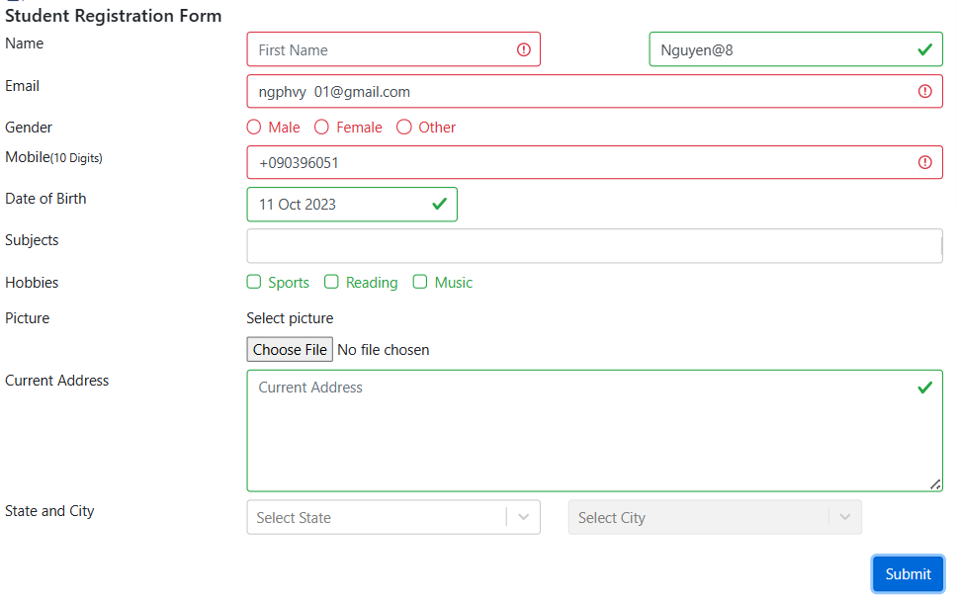 - LastName accepts invalid case | Fail
TC-SIGNUP-12 |  | Verify that the user can not sign up with: - Empty Mobile Number - Empty LastName - FirstName with special characters: "^", "@"; and number - Email has leading and trailing spaces - Birthday after today |  |  | 1. Open browser and visit the website 2. Input FirstName 3. Choose Gender 4. Input Email 5. Input Date of Birth 6. Click on Submit button | First Name = "Vy" Gender = "Female" Email = " ngphvy01@gmail.com " Date of Birth = "20 Oct 2024" | 1. LastName text box has a red border 2. Mobile text box has red border 3. Email text box has red border 4. Date of Birth has red notification | 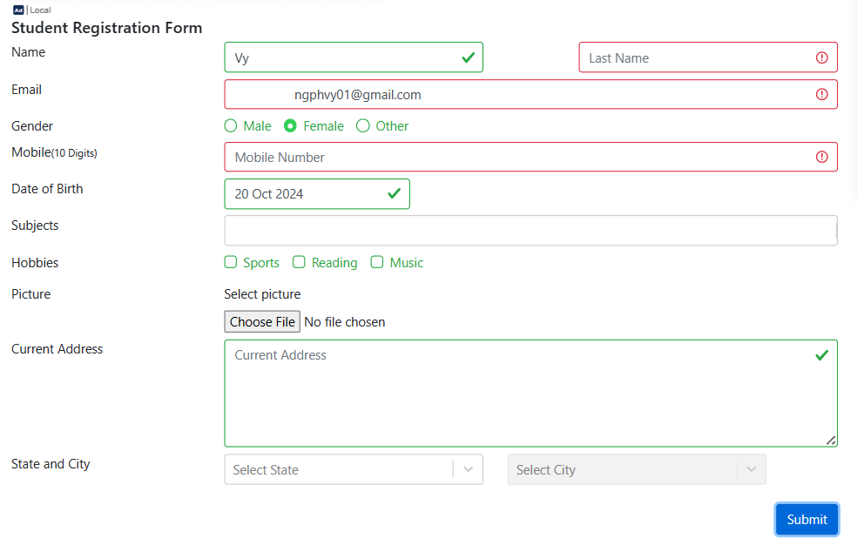 - DOB accepts invalid case | Fail

